Sampling in Spreadsheets
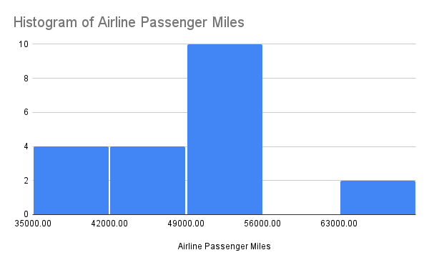
Airline Passenger Miles | Random Number |  | Mean | Standard Deviation | Histogram of 20 Observation Sample
46,456 | 0.01100 | 20 Samples | 50,104 | 8076.521101
65,524 | 0.01330
37,444 | 0.01720
54,755 | 0.02090
42,418 | 0.02170
64,988 | 0.02230
55,355 | 0.05780
39,052 | 0.07230
40,814 | 0.07690
53,734 | 0.08280
55,811 | 0.09620
53,448 | 0.09800
53,463 | 0.10400
48,168 | 0.10710
49,873 | 0.10760
54,454 | 0.11070
38,575 | 0.11390
52,411 | 0.11570
42,734 | 0.11930
52,609 | 0.12940
45,385 | 0.13030
46,158 | 0.13150
59,919 | 0.13310
44,696 | 0.13710
54,968 | 0.14190
42,819 | 0.14230
37,147 | 0.15240
56,577 | 0.15830
51,647 | 0.17430
53,346 | 0.17710
34,848 | 0.18030
38,581 | 0.18100
53,249 | 0.18750
50,452 | 0.19790
49,809 | 0.20110
45,245 | 0.20350
59,426 | 0.20420
51,347 | 0.20650
53,219 | 0.21070
58,982 | 0.21370
60,224 | 0.21930
36,069 | 0.24280
50,808 | 0.24520
51,147 | 0.24550
60,246 | 0.24920
51,025 | 0.25270
35,266 | 0.25940
41,678 | 0.26090
49,745 | 0.26230
55,664 | 0.26890
69,004 | 0.27720
33,869 | 0.28860
55,470 | 0.29210
43,057 | 0.29310
61,165 | 0.29820
46,693 | 0.29860
49,993 | 0.30980
61,379 | 0.32030
58,714 | 0.32270
58,771 | 0.33490
55,462 | 0.34160
29,672 | 0.34420
45,015 | 0.34590
66,925 | 0.35660
56,442 | 0.35940
38,864 | 0.36620
64,095 | 0.37530
67,883 | 0.38010
51,846 | 0.38610
45,589 | 0.38730
53,044 | 0.39740
56,283 | 0.39750
65,041 | 0.39840
38,482 | 0.40260
42,200 | 0.40560
39,725 | 0.41830
43,868 | 0.42490
50,077 | 0.43760
53,235 | 0.43970
46,993 | 0.44030
54,303 | 0.44040
40,578 | 0.44510
53,130 | 0.46190
57,423 | 0.46370
36,203 | 0.46680
48,903 | 0.47140
44,297 | 0.47920
60,497 | 0.49710
51,980 | 0.50920
47,858 | 0.51610
35,699 | 0.52530
39,994 | 0.53060
42,051 | 0.53160
37,912 | 0.53290
63,600 | 0.53630
62,323 | 0.54030
48,063 | 0.54460
48,861 | 0.54650
44,641 | 0.54810
39,045 | 0.55230
41,565 | 0.55480
59,442 | 0.56350
39,107 | 0.57130
44,680 | 0.57360
49,993 | 0.57440
49,561 | 0.59340
38,420 | 0.61460
43,703 | 0.61680
47,291 | 0.61940
45,754 | 0.62390
48,165 | 0.62930
48,169 | 0.63580
43,264 | 0.63830
38,869 | 0.63850
49,877 | 0.63880
44,271 | 0.64830
62,882 | 0.64990
44,678 | 0.66710
50,183 | 0.69470
38,173 | 0.69930
45,434 | 0.70250
40,610 | 0.70310
37,294 | 0.71100
42,230 | 0.72190
47,390 | 0.72240
68,573 | 0.72580
45,916 | 0.73390
45,158 | 0.73970
57,796 | 0.75600
55,380 | 0.75990
39,062 | 0.76560
42,059 | 0.77020
61,888 | 0.77060
63,752 | 0.77690
49,361 | 0.79020
34,903 | 0.80450
50,414 | 0.81130
50,603 | 0.81350
52,331 | 0.81580
35,154 | 0.81770
36,863 | 0.82400
57,407 | 0.84140
39,728 | 0.84720
54,776 | 0.84880
53,591 | 0.85760
49,561 | 0.86180
47,744 | 0.86390
59,802 | 0.86560
48,926 | 0.89820
46,588 | 0.89870
52,780 | 0.89900
57,761 | 0.91420
43,762 | 0.91550
48,764 | 0.91820
60,813 | 0.92220
64,398 | 0.92950
45,770 | 0.93610
45,427 | 0.93820
32,965 | 0.94210
37,982 | 0.94730
56,033 | 0.95110
34,688 | 0.95610
57,335 | 0.96180
53,867 | 0.96240
45,845 | 0.96480
48,622 | 0.96520
58,834 | 0.97290
62,570 | 0.97640
38,869 | 0.98180
53,013 | 0.98230
42,134 | 0.98630
53,774 | 0.99010

Does sampling size matter
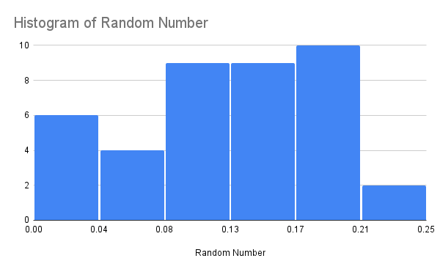
Airline Passenger Miles | Random Number |  | Mean | Standard Deviation | Histogram of 40 Observation Sample
46,456 | 0.01100 | 20 Samples | 50,104 | 8,077
65,524 | 0.01330 | 40 Samples | 49,748 | 7,635
37,444 | 0.01720
54,755 | 0.02090
42,418 | 0.02170
64,988 | 0.02230
55,355 | 0.05780
39,052 | 0.07230
40,814 | 0.07690
53,734 | 0.08280
55,811 | 0.09620
53,448 | 0.09800
53,463 | 0.10400
48,168 | 0.10710
49,873 | 0.10760
54,454 | 0.11070
38,575 | 0.11390
52,411 | 0.11570
42,734 | 0.11930
52,609 | 0.12940
45,385 | 0.13030
46,158 | 0.13150
59,919 | 0.13310
44,696 | 0.13710
54,968 | 0.14190
42,819 | 0.14230
37,147 | 0.15240
56,577 | 0.15830
51,647 | 0.17430
53,346 | 0.17710
34,848 | 0.18030
38,581 | 0.18100
53,249 | 0.18750
50,452 | 0.19790
49,809 | 0.20110
45,245 | 0.20350
59,426 | 0.20420
51,347 | 0.20650
53,219 | 0.21070
58,982 | 0.21370
60,224 | 0.21930
36,069 | 0.24280
50,808 | 0.24520
51,147 | 0.24550
60,246 | 0.24920
51,025 | 0.25270
35,266 | 0.25940
41,678 | 0.26090
49,745 | 0.26230
55,664 | 0.26890
69,004 | 0.27720
33,869 | 0.28860
55,470 | 0.29210
43,057 | 0.29310
61,165 | 0.29820
46,693 | 0.29860
49,993 | 0.30980
61,379 | 0.32030
58,714 | 0.32270
58,771 | 0.33490
55,462 | 0.34160
29,672 | 0.34420
45,015 | 0.34590
66,925 | 0.35660
56,442 | 0.35940
38,864 | 0.36620
64,095 | 0.37530
67,883 | 0.38010
51,846 | 0.38610
45,589 | 0.38730
53,044 | 0.39740
56,283 | 0.39750
65,041 | 0.39840
38,482 | 0.40260
42,200 | 0.40560
39,725 | 0.41830
43,868 | 0.42490
50,077 | 0.43760
53,235 | 0.43970
46,993 | 0.44030
54,303 | 0.44040
40,578 | 0.44510
53,130 | 0.46190
57,423 | 0.46370
36,203 | 0.46680
48,903 | 0.47140
44,297 | 0.47920
60,497 | 0.49710
51,980 | 0.50920
47,858 | 0.51610
35,699 | 0.52530
39,994 | 0.53060
42,051 | 0.53160
37,912 | 0.53290
63,600 | 0.53630
62,323 | 0.54030
48,063 | 0.54460
48,861 | 0.54650
44,641 | 0.54810
39,045 | 0.55230
41,565 | 0.55480
59,442 | 0.56350
39,107 | 0.57130
44,680 | 0.57360
49,993 | 0.57440
49,561 | 0.59340
38,420 | 0.61460
43,703 | 0.61680
47,291 | 0.61940
45,754 | 0.62390
48,165 | 0.62930
48,169 | 0.63580
43,264 | 0.63830
38,869 | 0.63850
49,877 | 0.63880
44,271 | 0.64830
62,882 | 0.64990
44,678 | 0.66710
50,183 | 0.69470
38,173 | 0.69930
45,434 | 0.70250
40,610 | 0.70310
37,294 | 0.71100
42,230 | 0.72190
47,390 | 0.72240
68,573 | 0.72580
45,916 | 0.73390
45,158 | 0.73970
57,796 | 0.75600
55,380 | 0.75990
39,062 | 0.76560
42,059 | 0.77020
61,888 | 0.77060
63,752 | 0.77690
49,361 | 0.79020
34,903 | 0.80450
50,414 | 0.81130
50,603 | 0.81350
52,331 | 0.81580
35,154 | 0.81770
36,863 | 0.82400
57,407 | 0.84140
39,728 | 0.84720
54,776 | 0.84880
53,591 | 0.85760
49,561 | 0.86180
47,744 | 0.86390
59,802 | 0.86560
48,926 | 0.89820
46,588 | 0.89870
52,780 | 0.89900
57,761 | 0.91420
43,762 | 0.91550
48,764 | 0.91820
60,813 | 0.92220
64,398 | 0.92950
45,770 | 0.93610
45,427 | 0.93820
32,965 | 0.94210
37,982 | 0.94730
56,033 | 0.95110
34,688 | 0.95610
57,335 | 0.96180
53,867 | 0.96240
45,845 | 0.96480
48,622 | 0.96520
58,834 | 0.97290
62,570 | 0.97640
38,869 | 0.98180
53,013 | 0.98230
42,134 | 0.98630
53,774 | 0.99010

Central Limit Theorem in action
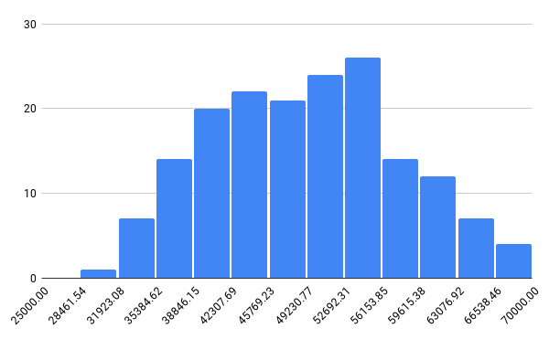
Airline Passenger Miles | Random Number |  | Mean | Standard Deviation | Histogram of the entire population
46,456 | 0.01100 | 20 Samples | 50,104 | 8,077
65,524 | 0.01330 | 40 Samples | 49,748 | 7,635
37,444 | 0.01720 | Population | 49,258 | 8578.707486
54,755 | 0.02090
42,418 | 0.02170
64,988 | 0.02230
55,355 | 0.05780
39,052 | 0.07230
40,814 | 0.07690
53,734 | 0.08280
55,811 | 0.09620
53,448 | 0.09800
53,463 | 0.10400
48,168 | 0.10710
49,873 | 0.10760
54,454 | 0.11070
38,575 | 0.11390
52,411 | 0.11570
42,734 | 0.11930
52,609 | 0.12940
45,385 | 0.13030
46,158 | 0.13150
59,919 | 0.13310
44,696 | 0.13710
54,968 | 0.14190
42,819 | 0.14230
37,147 | 0.15240
56,577 | 0.15830
51,647 | 0.17430
53,346 | 0.17710
34,848 | 0.18030
38,581 | 0.18100
53,249 | 0.18750
50,452 | 0.19790
49,809 | 0.20110
45,245 | 0.20350
59,426 | 0.20420
51,347 | 0.20650
53,219 | 0.21070
58,982 | 0.21370
60,224 | 0.21930
36,069 | 0.24280
50,808 | 0.24520
51,147 | 0.24550
60,246 | 0.24920
51,025 | 0.25270
35,266 | 0.25940
41,678 | 0.26090
49,745 | 0.26230
55,664 | 0.26890
69,004 | 0.27720
33,869 | 0.28860
55,470 | 0.29210
43,057 | 0.29310
61,165 | 0.29820
46,693 | 0.29860
49,993 | 0.30980
61,379 | 0.32030
58,714 | 0.32270
58,771 | 0.33490
55,462 | 0.34160
29,672 | 0.34420
45,015 | 0.34590
66,925 | 0.35660
56,442 | 0.35940
38,864 | 0.36620
64,095 | 0.37530
67,883 | 0.38010
51,846 | 0.38610
45,589 | 0.38730
53,044 | 0.39740
56,283 | 0.39750
65,041 | 0.39840
38,482 | 0.40260
42,200 | 0.40560
39,725 | 0.41830
43,868 | 0.42490
50,077 | 0.43760
53,235 | 0.43970
46,993 | 0.44030
54,303 | 0.44040
40,578 | 0.44510
53,130 | 0.46190
57,423 | 0.46370
36,203 | 0.46680
48,903 | 0.47140
44,297 | 0.47920
60,497 | 0.49710
51,980 | 0.50920
47,858 | 0.51610
35,699 | 0.52530
39,994 | 0.53060
42,051 | 0.53160
37,912 | 0.53290
63,600 | 0.53630
62,323 | 0.54030
48,063 | 0.54460
48,861 | 0.54650
44,641 | 0.54810
39,045 | 0.55230
41,565 | 0.55480
59,442 | 0.56350
39,107 | 0.57130
44,680 | 0.57360
49,993 | 0.57440
49,561 | 0.59340
38,420 | 0.61460
43,703 | 0.61680
47,291 | 0.61940
45,754 | 0.62390
48,165 | 0.62930
48,169 | 0.63580
43,264 | 0.63830
38,869 | 0.63850
49,877 | 0.63880
44,271 | 0.64830
62,882 | 0.64990
44,678 | 0.66710
50,183 | 0.69470
38,173 | 0.69930
45,434 | 0.70250
40,610 | 0.70310
37,294 | 0.71100
42,230 | 0.72190
47,390 | 0.72240
68,573 | 0.72580
45,916 | 0.73390
45,158 | 0.73970
57,796 | 0.75600
55,380 | 0.75990
39,062 | 0.76560
42,059 | 0.77020
61,888 | 0.77060
63,752 | 0.77690
49,361 | 0.79020
34,903 | 0.80450
50,414 | 0.81130
50,603 | 0.81350
52,331 | 0.81580
35,154 | 0.81770
36,863 | 0.82400
57,407 | 0.84140
39,728 | 0.84720
54,776 | 0.84880
53,591 | 0.85760
49,561 | 0.86180
47,744 | 0.86390
59,802 | 0.86560
48,926 | 0.89820
46,588 | 0.89870
52,780 | 0.89900
57,761 | 0.91420
43,762 | 0.91550
48,764 | 0.91820
60,813 | 0.92220
64,398 | 0.92950
45,770 | 0.93610
45,427 | 0.93820
32,965 | 0.94210
37,982 | 0.94730
56,033 | 0.95110
34,688 | 0.95610
57,335 | 0.96180
53,867 | 0.96240
45,845 | 0.96480
48,622 | 0.96520
58,834 | 0.97290
62,570 | 0.97640
38,869 | 0.98180
53,013 | 0.98230
42,134 | 0.98630
53,774 | 0.99010

